Soku 4
Improve and Sustain SOKU NAGC/AGC Availability
Process: AGG Project Improvement Team |  | Big Rock and Wildly Important Goal: Improve SPDC AG Compressor Availability from 68% in 2016 to 79% in 2017.
 |  | Target Condition: Improve Soku LP NAG Availability from 78% [2016 ] to 82% by December 2017 and 5% Y-on-Y Improve Soku AG2 Availability from 49% [2016 ] to 77% by December 2017 and 5% Y-on-Y
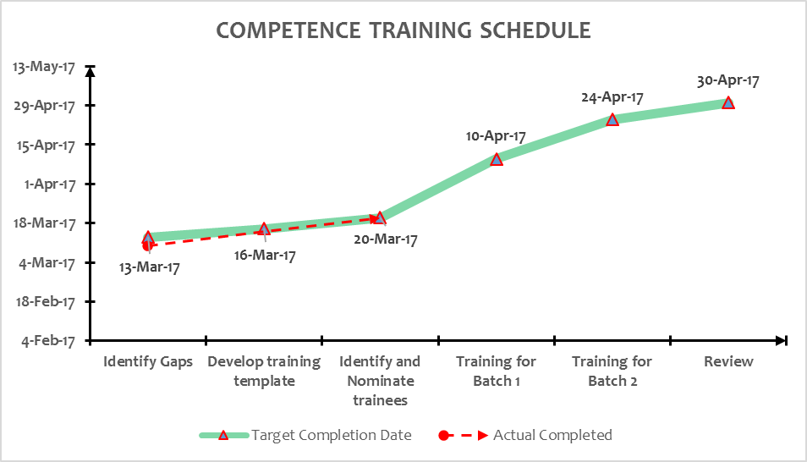
KPI Progress Graphs |  |  | Last 1 week's commitment & outcome
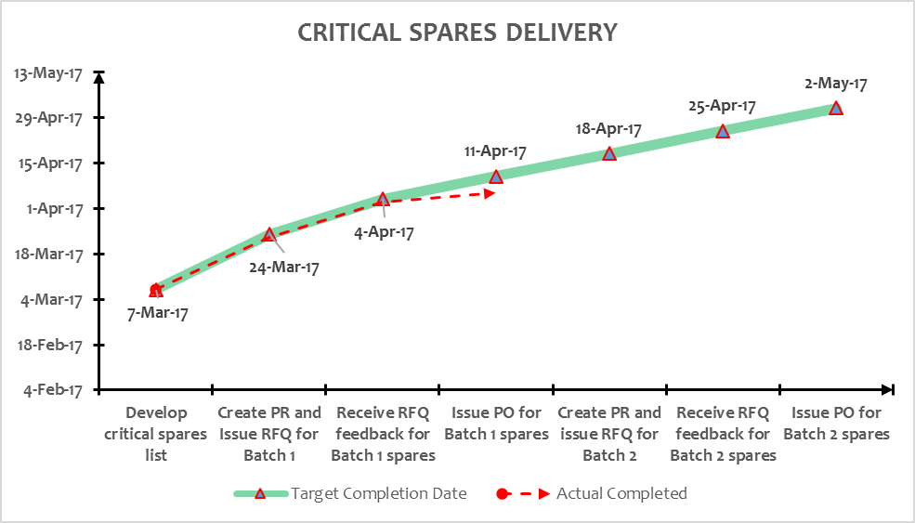 |  |  | Date: 19th Apr. 2017 - 25th April 2017
 |  |  | Main Activity | Main Activity LEC | Main Goals | Main Activity KPI | Last 1 week's commitment (19th April - 25th April) | Next 1 week's commitment (26th April - 2nd May) | Status | Owner | Learning?
 |  |  | COMPETENCE
 |  |  | 1a. Field operators FLM competence development and equipment ownership 1b. Field technicians O&M competence development with resident FSR | 30th April 2017 31st Oct 2017 | 1. Improve Response time to failure 2. Early identification of imminent failures and taking proactive measures. 3. Improved competence and confidence of Soku personnel. | % of selected field operators achieving PASS on agreed FLM coaching scope by end April = 100% % of FLM identified actions progressed to SAP notification. % of agreed technicians achieving PASS on structured OJT training by resident FSR by end Oct = 100% Date contract is awarded = 31st Mar. Date FSR is mobilized = 18th April. | 1. Carry-out 5no weekly joint site visit with field operator to observe FLM and produce reports/raise SAP notifications by 25th April [Done, 7no weekly joint site visit carried out with reports produced] 2. Submit Contract to vendor for signing by 20th April [Done] 3a. Carry-out training for Batch 1 nominees by 19th April [Not done, resources focused on AG2 restoration] 3b. Carry-out training for Batch 2 nominees by 24th April [Not done, resources focused on AG2 restoration] | 1. Carry-out 5no weekly joint site visit with field operator to observe FLM and produce reports/raise SAP notifications by 2nd May 2. Follow-up with contract signing and release contract in SAP by 2nd May 3a. Carry-out training for Batch 1 nominees by 2nd May |  | 1. PTJ 2.Austin
 |  |  | CRITICAL SPARES
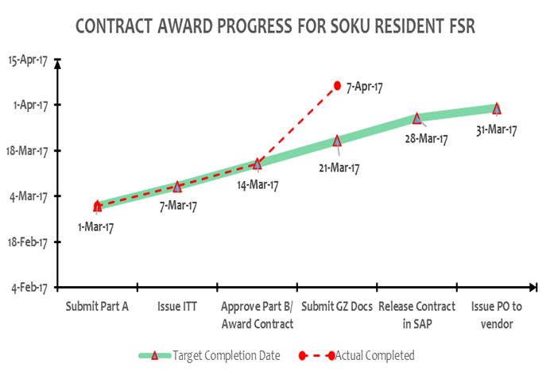
 |  |  | 1. Review Turbine and compressor critical spares requirement and place order in batches with most critical delivered by June 30th 2017 | 30th June 2017 | 1. Improve Response time to failure due availability of critical spares | % of batch1 critical spares available by June = 100% | 1. Follow up with RFQ issuance for Batch 2 spares by 25th April (Done) | 1. Follow up with vendor on early response to RFQ. |  | Austin
 |  |  | EQUIPMENT MONITORING
 |  |  | 1. Improve Monitoring and analysis of critical operating parameters via EHS. | 31st Mar 2017 | 1) 100% Monitoring 2). Improve Response time to failure 3). Early identification of imminent failures. | % of EHS Identified actions closed out thus averting Equipment trip. | Review/Analyse 5no reports/week (for Soku LP NAG and AG2) of Equipment performance from EHS team by 25th April [Done] | Review/Analyse 5no reports/week (for Soku LP NAG and AG2) of Equipment performance from EHS team by 2nd May |  | Sazy
 |  |  | QUALITY OF MAINTENANCE
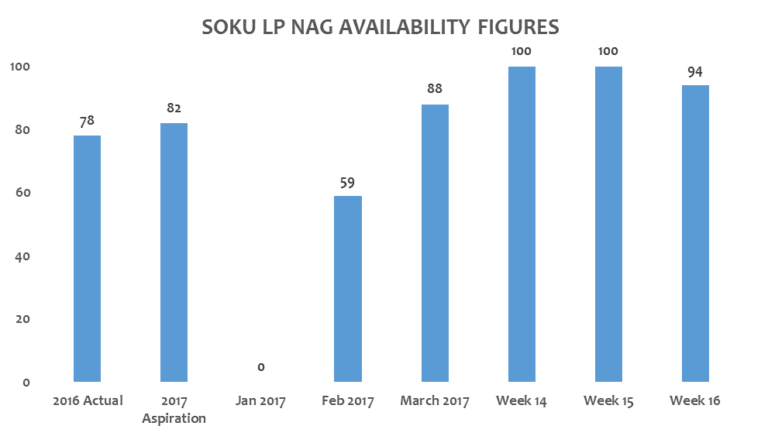
 |  |  | 1. Review 4K inspection tasklist to include all Package accessories and implement. 2. Review tasklist for 1M and 3M PMs on turbine and compressors and conduct a DILO for quality assurance and improvement | 31st March 2017. 30th April 2017 | End to end 4k/8k inspection covering AGC and critical accessories (Coolers, Antisurge valves etc). Assure adequacy of 1M/3M Turbines & compressors PMs Assure compliance to 1M/3M Turbines & compressors PMs | 4k/8k AG tasklist inclusive of accessories by end March. % of 2017 4k/8k inspection covering accessories = 100%. complete tasklist review by 31st March. number of DILO completed by 30th Apr = 2 | 100% Completion of 4K tasklist review [Update 4K tasklist with T.A input by 17th Apr] - [Done] 100% Completion of 1M PM's on LM1600 Driver for Completeness. [Update 1M PM's with T.A input by 17th Apr] - [Done] | 100% Completion of 4K tasklist review [Engage CMMS team with proposed changes based on TA input by 2nd May] 100% Completion of 1M PM's on LM1600 Driver for Completeness. [Engage CMMS team with proposed changes based on TA input by 2nd May] |  | Austin. Sebastian

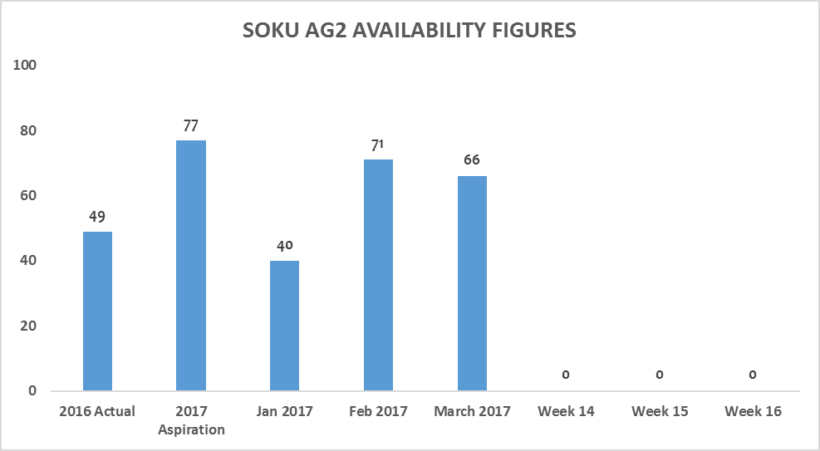

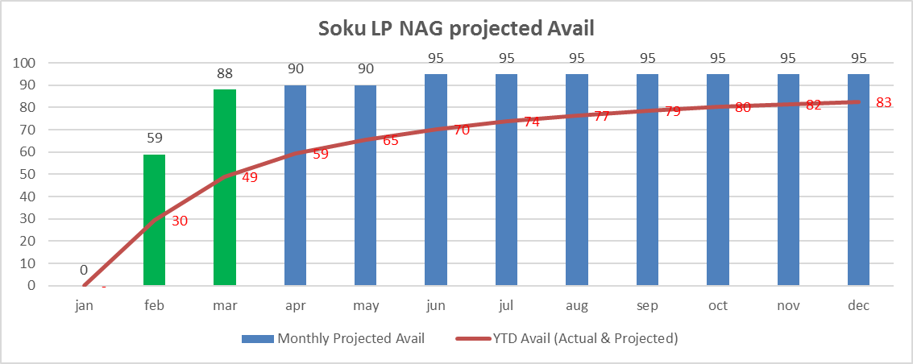

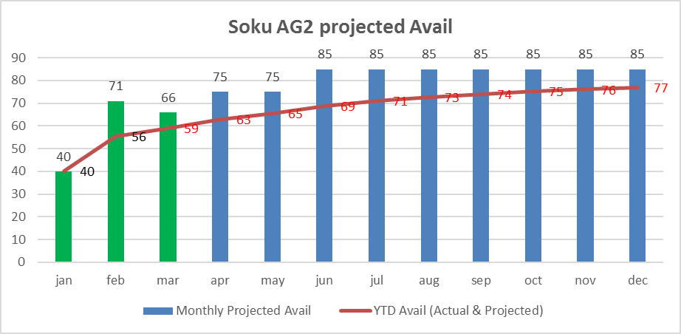

 | On Track
 | At Risk
 | Delayed
 | Completed
 | New

Gbaran 4
Improve and Sustain Gbaran AGC Availability
Process: AGG Project Improvement Team | Big Rock and Wildly Important Goal: Improve SPDC AG Compressor Availability from 68% in 2016 to 79% in 2017.
 | Target Condition: Retain Gbaran AGC1/2 2017 full year availability at 2016 level of 90% by December 2017 and sustain at 95% Y-on-Y
Progress Graph 1: Sustain Gbaran AGC1/2 combined performance at >83% |  | Last 1 week's commitment & outcome
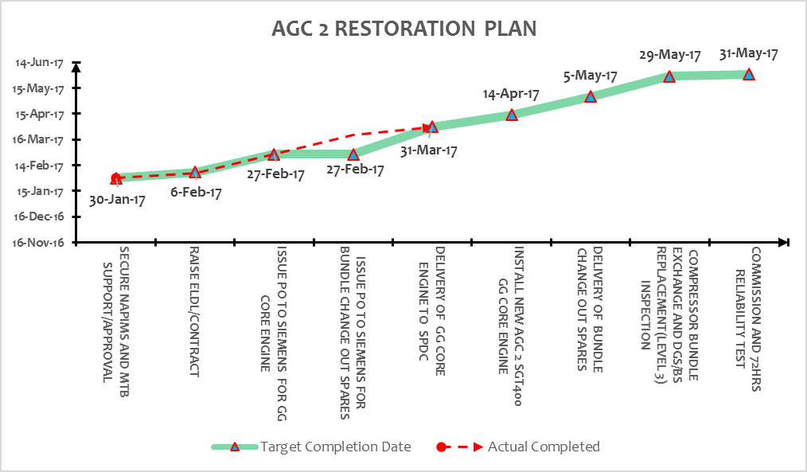 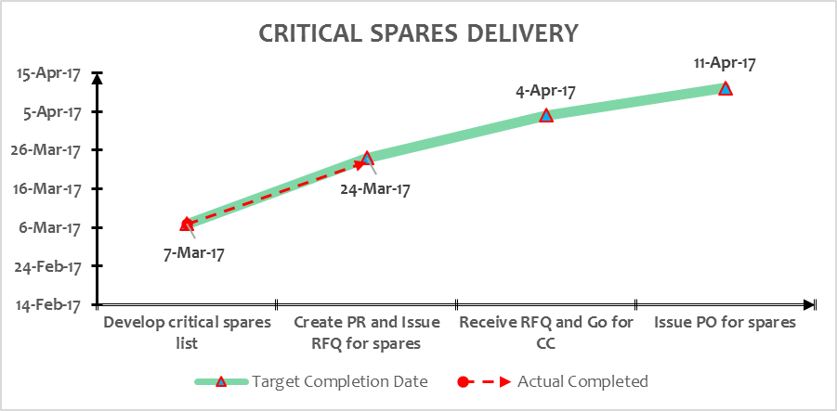 |  | Date: 19th Apr. 2017 - 25th April 2017
 |  | Main Activity | Main Activity LEC | Main Goals | Main Activity KPI | Last 1 week's commitment (19th April - 25th April) | Next 1 week's commitment (26th April - 2nd May) | Status | Owner | Learning?

 |  | OVERHAUL
 |  | 1. Order AGC1 & 2 exchange engines and bundle accessories and overhaul both units in phases. | 31st April 2017 (AGC1) 30th June 2017 (AGC2) | Completion of overdue AGCs overhaul to reinstate reliability. | Weekly joint AGG and C&P review with vendor for delivery by 31st Mar (AGC1) and 30th Apr (AGC2). FSR is mobilized by 28th Mar (3days ahead of engine delivery to Gbaran) AGC1 overhauled by 30th Apr 2017 AGC1 overhauled by 30th June 2017 | Service Contract • Approval/sign off Part B by 25th April [Done] Engage vendor 2ce weekly on the fast track process. [Done] | Follow up on contract sign off 2nd May FSR Mobilized to site on 21st April for AGC2 core engine change out(plan to achieve 50% completion by 2nd May) Engage vendor 2Ce weekly on spares fast track process by 27th may |  | Sazy
 |  | COMPETENCE
 |  | 1a. Field operators FLM competence development and equipment ownership 1b. Field technician online support contract active (helpdesk) | 30th March 2017 31st May 2017 | 1. Improve Response time to failure 2. Early identification of imminent failures. 1) Improve Response time to failure 2) Early identification of imminent failures and taking proactive measures. | % of selected field operators achieving PASS on agreed FLM coaching scope by end April = 100% Date contract is awarded = 31st May Response time to issues raised = (to be determined) | Develop coaching plan for Gbaran field operators on FLM checks by 25th april [Done] Award contract by 31st May 2017 Send out ITT to Vendor [Done] | Agree coaching plan/schedule with PUM by 28th April Award contract by 31st May 2017 Follow up on Vendor's ITT submission by 27th April. |  | kene
 |  | CRITICAL SPARES
 |  | Review critical spares requirement and place order in batches with most critical delivered by 30th June 2017 | 30th June 2017 | 1. Improve Response time to failure due availability of critical spares | % of critical spares available by June = 100% | 1a. Send CC for Batch 1 spares by 4th April [Outstanding due to spares agreement] Follow up with the engagement on spares agreement by 25th April. [Done, Vendor agreed to extend 2016 EFA T&C for six months while 2017 EFA T&C is been resolved] | 1a. Send CC for Batch 1 spares by May 2nd. Follow up on the price agreement sign off by 2nd May |  | Dozie
 |  | EQUIPMENT MONITORING
 |  | Improve Monitoring and analysis of critical operating parameters via EHS. | 31st Mar 2017 |  | number of AGG equipment joint performance review between EHS and AGG focal points per week =5 per week. Number of Gbaran AG detailed performance assessment by AG focal point weekly = 1 per week | Review/Analyse 5no reports/week of Equipment performance from EHS team by 25th April. [Done] | Review/Analyse 5no reports/week of Equipment performance from EHS team by 1st may. |  | Sazy
 |  | QUALITY OF MAINTENANCE
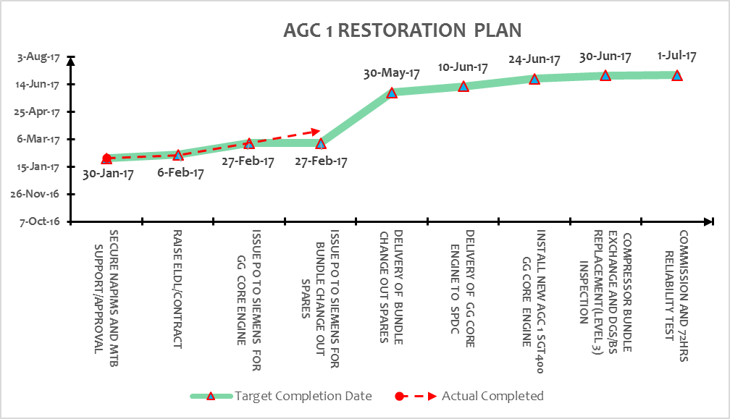 |  | 1. Review SGT400 9K inspection tasklist to include all Package accessories and implement 2. Review tasklist for 1M and 3M PMs on turbine and compressors and conduct a DILO for quality assurance and improvement | 31st March 2017. 30th April 2017 | End to end 9k inspection covering AGC and critical accessories (Coolers, Antisurge valves etc). Assure adequacy of 1M/3M Turbines & compressors PMs | % of 9k AG tasklist inclusive of accessories by 31st Mar = 100% % of 2017 9k inspection covering accessories = 100%. % of 1M/3M tasklists reviewed by 31st March = 100% % of 1M/3M Turbine PM witnessed by AGG team by 30th Apr = 100% | Complete review of 8K tasklist for siemens SGT400 [Send input to T.A by 25th April] [Done] Complete review of 1M and 3M PM's for turbine and compressors. [Send input to T.A by 25th April [Done] | Complete review of 8K tasklist for siemens SGT400 [Update input from T.A by 28th April] Complete review of 1M and 3M PM's for turbine and compressors. [Update input from T.A by 28th April] |  | Kene. Sebastian.
 |  | Obstacle Parking Lot

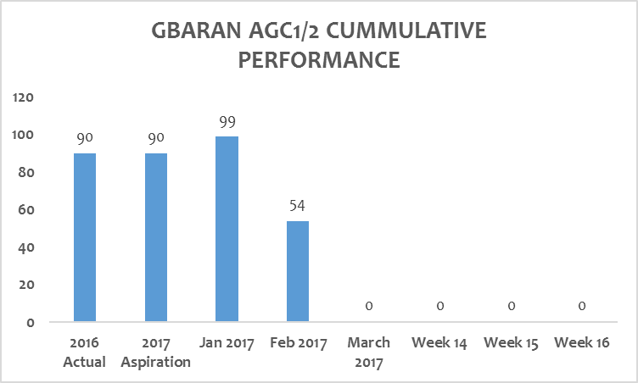

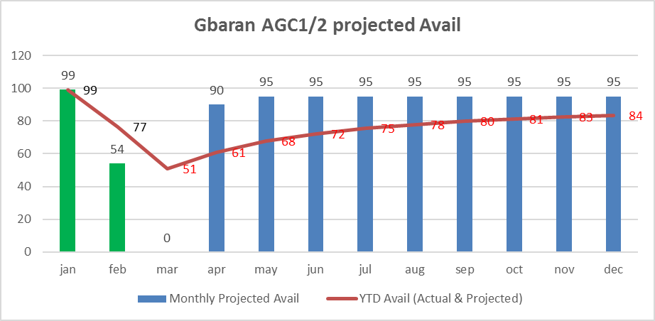

 | On Track
 | At Risk
 | Delayed
 | Completed
 | New

